instruction
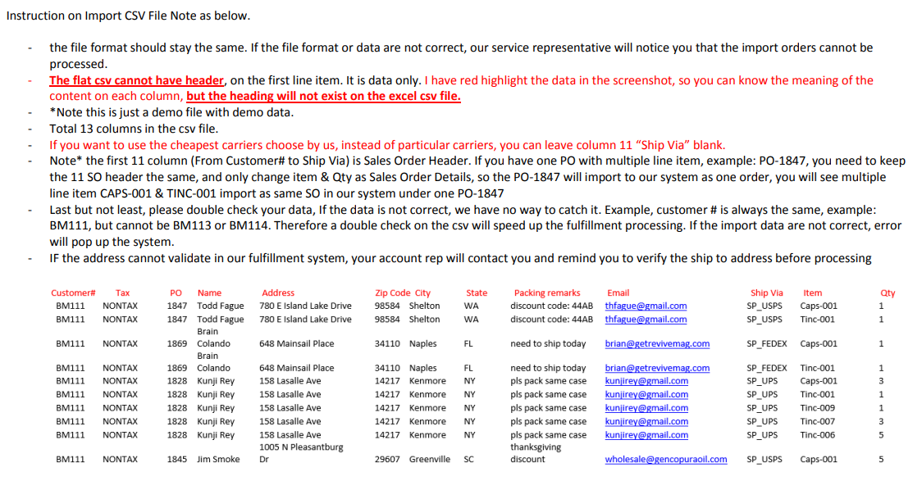
DELETE WORKSHEET 2 (INSTRUCTION) & DELETE HEADER (ROW 1) FROM ORDER IMPORT DEMO. SAVE FILE IN CSV (COMMA DELIMITED) FORMAT.
 | VIDEO INSTRUCTION

